Intro
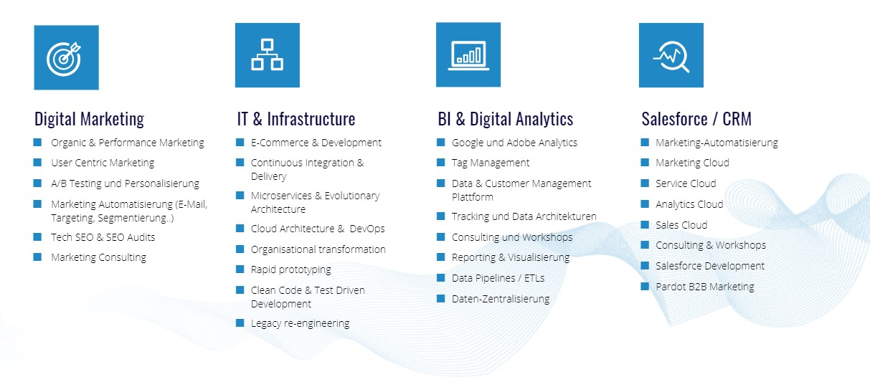

MarTech – IT & Infrastructure – Digital Analytics

 | Thank you for reading our blog!
 | In this file you will find two keyword grouping templates that are free to use.
 | Click | here | to see them or simply open the next tab.

 | Contact us for professional online marketing services:

 |  | Digital Loop GmbH
 | Tel.: | 089 - 41 61 47 83 0
 | Fax: | 089 - 41 61 47 83 4
 |  | info@digital-loop.com
 |  | Steinsdorfstraße 2
 |  | 80538 München

